Dashboard
My Running Analytics

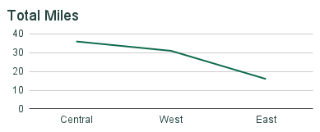
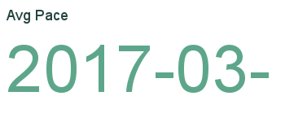
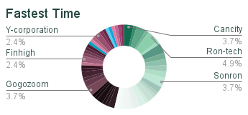

Distance and Pace Over Time

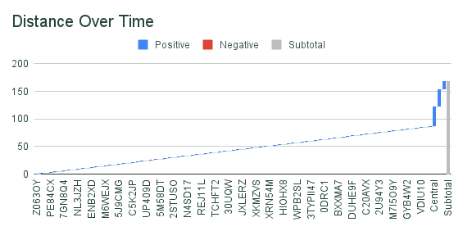
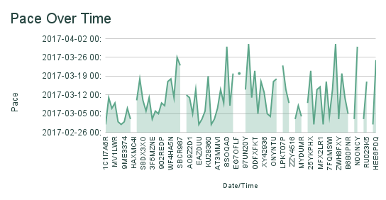

 |  | Top 10 Morning Runs |  |  |  |  | Top 10 Evening Runs
Date | Time | Miles | Duration | Pace | Date | Type | Miles | Duration | Pace
opportunity_id | sales_agent | regional_office | account | close_date | ZNBS69V1 | Anna Snelling | Central | Ron-tech | 2017-03-01 00:00:00
1C1I7A6R | Moses Frase | Central | Cancity | 2017-03-01 00:00:00 | Z063OYW0 | Darcel Schlecht | Central | Isdom | 2017-03-11 00:00:00
Z063OYW0 | Darcel Schlecht | Central | Isdom | 2017-03-11 00:00:00 | PE84CX4O | Zane Levy | West | Hatfan | 2017-03-02 00:00:00
EC4QE1BX | Darcel Schlecht | Central | Cancity | 2017-03-07 00:00:00 | opportunity_id | sales_agent | regional_office | account | close_date
MV1LWRNH | Moses Frase | Central | Codehow | 2017-03-09 00:00:00 | OLK9LKZB | Niesha Huffines | Central | Zumgoity | 2017-03-03 00:00:00
PE84CX4O | Zane Levy | West | Hatfan | 2017-03-02 00:00:00 | MV1LWRNH | Moses Frase | Central | Codehow | 2017-03-09 00:00:00
ZNBS69V1 | Anna Snelling | Central | Ron-tech | 2017-03-01 00:00:00 | EC4QE1BX | Darcel Schlecht | Central | Cancity | 2017-03-07 00:00:00
9ME3374G | Vicki Laflamme | West | J-Texon | 2017-03-02 00:00:00 | 9ME3374G | Vicki Laflamme | West | J-Texon | 2017-03-02 00:00:00
7GN8Q4LL | Markita Hansen | West | Cheers | 2017-03-07 00:00:00 | 7GN8Q4LL | Markita Hansen | West | Cheers | 2017-03-07 00:00:00
OLK9LKZB | Niesha Huffines | Central | Zumgoity | 2017-03-03 00:00:00 | 1C1I7A6R | Moses Frase | Central | Cancity | 2017-03-01 00:00:00

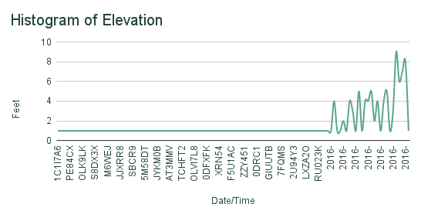
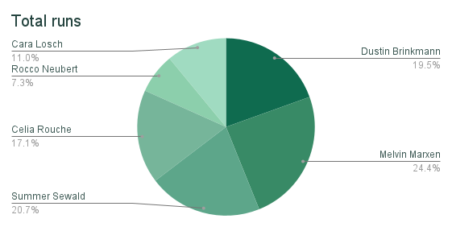

Where are you running?

